Arkusz1
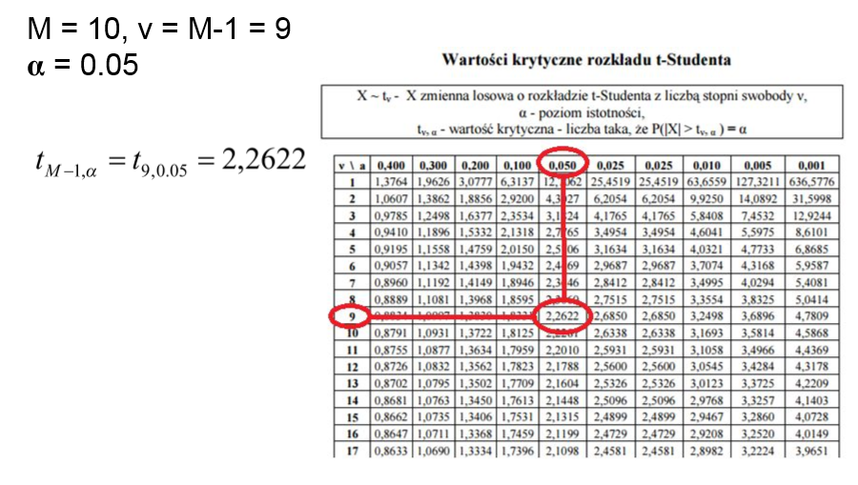
simulation number | Average waiting time in the ready queue | CPU #0 utilization | CPU #1 utilization | CPU #2 utilization | CPU #3 utilization | Throughput | Average turnaround time
0 | 40.0 | 95.8 | 94.4 | 92.4 | 90.1 | 0.146427 | 85.7
1 | 42.6 | 95.9 | 94.5 | 92.5 | 90.2 | 0.146468 | 88.4
2 | 42.0 | 96.2 | 94.8 | 93.0 | 90.7 | 0.147217 | 88.0
3 | 41.1 | 95.9 | 94.5 | 92.6 | 90.1 | 0.146680 | 86.8
4 | 44.8 | 96.4 | 95.0 | 93.3 | 91.1 | 0.147520 | 90.7
5 | 43.6 | 96.2 | 94.8 | 93.2 | 90.9 | 0.147224 | 89.4
6 | 47.4 | 96.1 | 94.8 | 93.0 | 90.6 | 0.146998 | 93.3
7 | 42.6 | 95.9 | 94.5 | 92.5 | 90.1 | 0.146543 | 88.3
8 | 44.1 | 96.3 | 95.0 | 93.3 | 91.1 | 0.147066 | 90.0
9 | 45.5 | 96.4 | 95.2 | 93.5 | 91.4 | 0.147172 | 91.4
Average | 43.4 | 96.1 | 94.7 | 92.9 | 90.6 | 0.146932 | 89.2
Confidence interval +/- | 1.65 | 0.15 | 0.20 | 0.29 | 0.36 | 0.000284075 | 1.70

 | 11.57176087 | 0.073030252129 | 0.1093757184 | 0.27594471266 | 0.26449523268 | 2.5452025E-07 | 12.104074882
 | 0.54651584514 | 0.04821629864 | 0.070780474116 | 0.15606797896 | 0.17121057818 | 2.1483225E-07 | 0.6791558087
 | 1.7720005235 | 0.0034265686616 | 0.002154166569 | 0.0043395946754 | 0.007361468401 | 8.151025E-08 | 1.5219567197
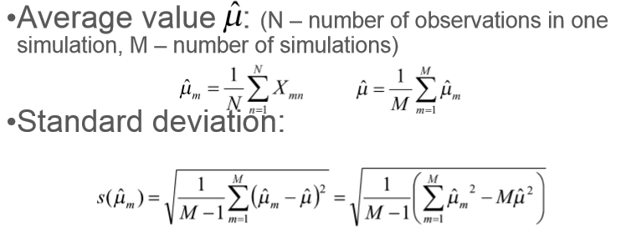
 | 5.1871388013 | 0.0389103635 | 0.057319542225 | 0.098320124448 | 0.24897505268 | 6.325225E-08 | 5.7419857868
 | 2.0777028595 | 0.058297088414 | 0.069254764569 | 0.14344065471 | 0.20859772562 | 3.4633225E-07 | 2.2935554707
 | 0.040082402395 | 0.01134073775 | 0.0092102409 | 0.075799230236 | 0.052653727296 | 8.555625E-08 | 0.040010760724
 | 16.529883151 | 0.00055210430961 | 0.000899640036 | 0.005282905709 | 3.4892649E-05 | 4.42225E-09 | 16.995491884
 | 0.58770637772 | 0.030740994627 | 0.079899502225 | 0.17212325703 | 0.29238028128 | 1.5093225E-07 | 0.77457794622
 | 0.4946898283 | 0.022362779856 | 0.067526699881 | 0.098760353235 | 0.1899225116 | 1.809025E-08 | 0.607423676
 | 4.4337320223 | 0.080029524446 | 0.17930736181 | 0.29368118824 | 0.56861704049 | 5.784025E-08 | 4.8259869176

 | 4.8045791868 | 0.040767412482 | 0.071747567859 | 0.14708444443 | 0.22269427899 | 1.4192094444E-07 | 5.0649133169
Standard deviation | 2.1919350325 | 0.20190941653 | 0.26785736477 | 0.38351589854 | 0.47190494698 | 0.00037672396319 | 2.2505362288

 | 41.717973956 | 95.958303939 | 94.53280269 | 92.654788845 | 90.27377621 | 0.14664742502 | 87.516083748

